Sheet1
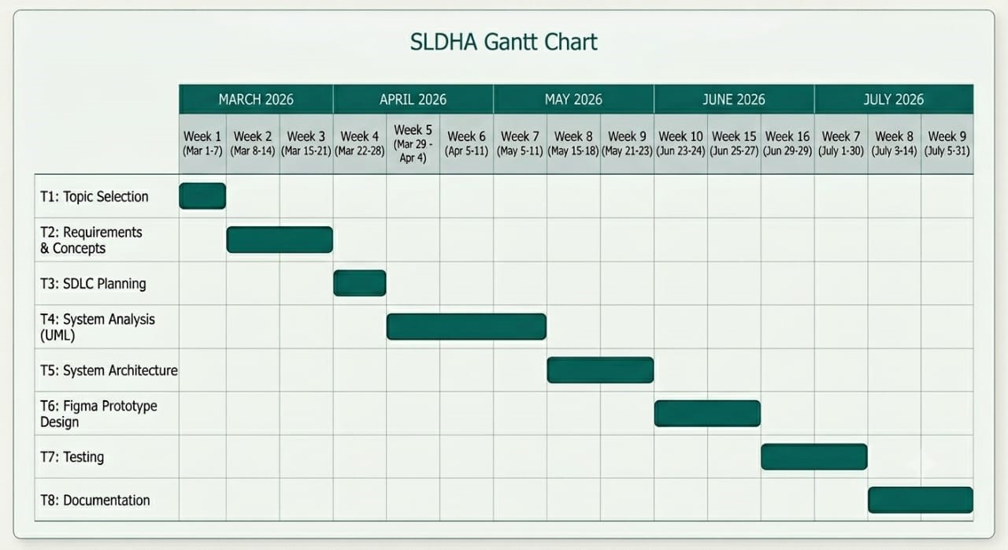
Task Name | Start Date | End Date | Duration | Dependencies | Assigned to
Topic Selection | 1-Mar-26 | 7-Mar-26 | 6 | None | Marcushia N.G.K Marcus-Bangura
Requirement and Concepts | 8-Mar-26 | 21-Mar-26 | 13 | Topic Selection | Kumba Blessing Fatoma
SLDC Planning | 22-Mar-26 | 4-Apr-26 | 13 | Requirement | Samuel A Tarawally
System Anlysis (UML) | 5-Apr-26 | 25-Apr-26 | 20 | SLDC Planning | Kumba Blessing Fatoma
System Architecture | 26-Apr-26 | 9-May-26 | 13 | System Analysis | Samuel A Tarawally
Figma Prototype Design | 10-May-26 | 30-May-26 | 20 | System Architecture | Marcushia N.G.K Marcus-Bangura
Testing | 31-May-26 | 13-Jun-26 | 13 | Prototype Design | Kumba Blessing Fatoma
Documentation | 14-Jun-26 | 15-Jul-26 | 31 | All previous tasks | Marcushia N.G.K Marcus-Bangura

